Sheet1
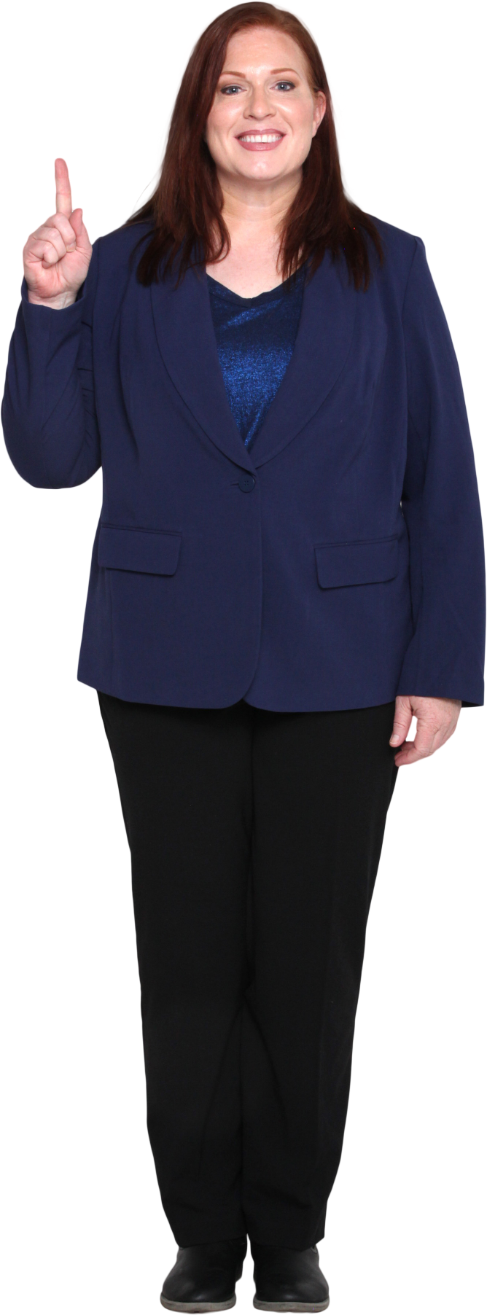
Provide a formula to list the names where all words start with same alphabet.
Name | Answer Expected
Rachel Hall | Donald Duck
Donald Duck | Carl Cooper Camper
Esther Roberts | Robert Rohnson

Kathleen Kate Walker
Teresa
Carl Cooper Camper
Katherine Adams
Robert Rohnson
Aaron Phillips

